Sheet1
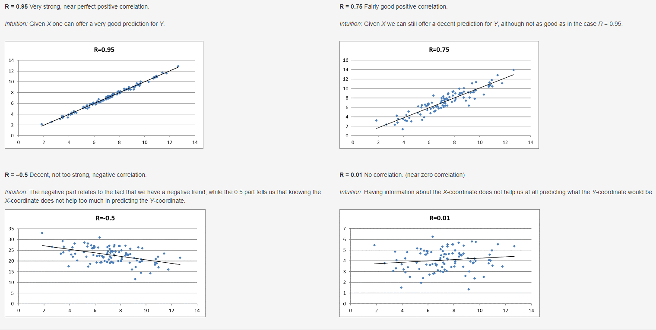

Sheet4
Column1 | _1 | Jan | Feb | Mar | Apr | May | June | July | Aug | Sept | Oct | Nov | Dec | _2 | Jan_3 | Feb_4 | Mar_5 | Apr_6 | May_7 | June_8 | July_9 | Aug_10 | Sept_11 | Oct_12 | Nov_13 | Dec_14
1950 | 201 | 7 | 20 | 21 | 15 | 61 | 28 | 23 | 13 | 3 | 2 | 4 | 4 | 70 | 1 | 45 | 1 | 12 | 2 | 6 | 0 | 0 | 0 | 0 | 0 | 3
1951 | 260 | 2 | 10 | 6 | 26 | 57 | 76 | 23 | 27 | 9 | 2 | 12 | 10 | 34 | 0 | 1 | 0 | 2 | 7 | 9 | 5 | 0 | 8 | 0 | 1 | 1
1952 | 240 | 12 | 27 | 43 | 37 | 34 | 34 | 27 | 16 | 1 | 0 | 6 | 3 | 230 | 0 | 10 | 209 | 4 | 2 | 2 | 2 | 1 | 0 | 0 | 0 | 0
1953 | 422 | 14 | 16 | 40 | 47 | 94 | 111 | 32 | 24 | 5 | 6 | 12 | 21 | 519 | 0 | 3 | 24 | 36 | 163 | 244 | 0 | 0 | 0 | 0 | 0 | 49
1954 | 550 | 2 | 17 | 62 | 113 | 101 | 107 | 45 | 49 | 21 | 14 | 2 | 17 | 36 | 0 | 2 | 10 | 2 | 9 | 5 | 0 | 1 | 3 | 2 | 0 | 2
1955 | 593 | 3 | 4 | 43 | 99 | 148 | 153 | 49 | 33 | 15 | 23 | 20 | 3 | 129 | 0 | 0 | 5 | 7 | 106 | 2 | 5 | 0 | 2 | 1 | 1 | 0
1956 | 504 | 2 | 47 | 31 | 85 | 79 | 65 | 92 | 42 | 16 | 29 | 7 | 9 | 83 | 0 | 8 | 1 | 67 | 4 | 0 | 1 | 2 | 0 | 0 | 0 | 0
1957 | 858 | 17 | 5 | 38 | 216 | 228 | 147 | 55 | 20 | 17 | 18 | 59 | 38 | 193 | 13 | 0 | 1 | 30 | 87 | 14 | 0 | 0 | 2 | 2 | 25 | 19
1958 | 564 | 11 | 20 | 15 | 76 | 68 | 128 | 121 | 46 | 24 | 9 | 45 | 1 | 67 | 0 | 13 | 0 | 4 | 0 | 43 | 1 | 1 | 1 | 4 | 0 | 0
1959 | 604 | 16 | 20 | 43 | 30 | 226 | 73 | 63 | 38 | 58 | 24 | 11 | 2 | 58 | 3 | 21 | 9 | 1 | 8 | 2 | 0 | 0 | 14 | 0 | 0 | 0
1960 | 616 | 9 | 28 | 28 | 70 | 201 | 125 | 42 | 48 | 21 | 18 | 25 | 1 | 46 | 0 | 0 | 0 | 7 | 34 | 3 | 0 | 1 | 0 | 1 | 0 | 0
1961 | 697 | 1 | 31 | 124 | 74 | 137 | 107 | 77 | 27 | 53 | 14 | 36 | 16 | 52 | 0 | 0 | 7 | 4 | 23 | 2 | 0 | 0 | 15 | 0 | 1 | 0
1962 | 657 | 12 | 25 | 37 | 41 | 200 | 171 | 78 | 51 | 24 | 11 | 5 | 2 | 30 | 1 | 0 | 17 | 2 | 4 | 0 | 0 | 6 | 0 | 0 | 0 | 0
1963 | 463 | 15 | 6 | 48 | 84 | 71 | 90 | 62 | 26 | 33 | 13 | 15 | 0 | 31 | 1 | 0 | 8 | 16 | 1 | 0 | 0 | 2 | 3 | 0 | 0 | 0
1964 | 704 | 14 | 2 | 36 | 157 | 134 | 137 | 63 | 79 | 25 | 22 | 17 | 18 | 73 | 10 | 0 | 6 | 15 | 16 | 0 | 0 | 2 | 0 | 22 | 0 | 2
1965 | 897 | 21 | 32 | 34 | 123 | 273 | 147 | 85 | 61 | 64 | 16 | 34 | 7 | 301 | 0 | 0 | 2 | 268 | 17 | 7 | 0 | 1 | 0 | 1 | 5 | 0
1966 | 585 | 1 | 28 | 12 | 80 | 98 | 126 | 100 | 58 | 22 | 29 | 20 | 11 | 98 | 0 | 0 | 58 | 12 | 0 | 19 | 3 | 0 | 0 | 6 | 0 | 0
1967 | 926 | 39 | 8 | 42 | 149 | 116 | 210 | 90 | 28 | 139 | 36 | 8 | 61 | 114 | 7 | 0 | 3 | 73 | 3 | 6 | 1 | 2 | 5 | 4 | 0 | 10
1968 | 660 | 5 | 7 | 28 | 102 | 145 | 136 | 56 | 66 | 25 | 14 | 44 | 32 | 131 | 0 | 0 | 0 | 40 | 72 | 11 | 2 | 2 | 0 | 0 | 3 | 1
1969 | 608 | 3 | 5 | 8 | 68 | 145 | 137 | 98 | 70 | 20 | 26 | 5 | 23 | 66 | 32 | 0 | 1 | 2 | 4 | 7 | 0 | 19 | 0 | 0 | 0 | 1
1970 | 654 | 9 | 16 | 25 | 117 | 88 | 134 | 82 | 55 | 54 | 50 | 10 | 14 | 73 | 0 | 0 | 2 | 30 | 26 | 6 | 3 | 0 | 0 | 6 | 0 | 0
1971 | 889 | 19 | 83 | 40 | 75 | 166 | 199 | 100 | 50 | 47 | 38 | 16 | 56 | 159 | 1 | 134 | 2 | 11 | 7 | 1 | 1 | 0 | 0 | 0 | 0 | 2
1972 | 741 | 33 | 7 | 69 | 96 | 140 | 114 | 115 | 59 | 49 | 34 | 17 | 8 | 27 | 5 | 0 | 0 | 16 | 0 | 2 | 0 | 2 | 0 | 0 | 2 | 0
1973 | 1102 | 33 | 10 | 80 | 150 | 250 | 224 | 80 | 51 | 69 | 25 | 81 | 49 | 89 | 1 | 0 | 17 | 10 | 35 | 3 | 1 | 4 | 3 | 0 | 12 | 3
1974 | 945 | 24 | 23 | 36 | 267 | 144 | 194 | 59 | 107 | 25 | 45 | 13 | 8 | 366 | 2 | 0 | 1 | 317 | 10 | 31 | 0 | 0 | 0 | 5 | 0 | 0
1975 | 919 | 52 | 45 | 84 | 108 | 188 | 196 | 79 | 60 | 34 | 12 | 39 | 22 | 60 | 12 | 7 | 12 | 13 | 5 | 6 | 2 | 2 | 0 | 0 | 0 | 1
1976 | 834 | 12 | 36 | 180 | 113 | 155 | 169 | 84 | 38 | 35 | 11 | 0 | 1 | 44 | 0 | 5 | 21 | 1 | 8 | 3 | 2 | 1 | 3 | 0 | 0 | 0
1977 | 852 | 5 | 17 | 64 | 88 | 228 | 132 | 99 | 82 | 65 | 25 | 24 | 23 | 43 | 0 | 2 | 0 | 26 | 4 | 0 | 1 | 6 | 1 | 1 | 0 | 2
1978 | 789 | 23 | 7 | 17 | 107 | 213 | 148 | 143 | 65 | 20 | 7 | 9 | 30 | 53 | 2 | 0 | 0 | 4 | 7 | 17 | 11 | 1 | 6 | 0 | 0 | 5
1979 | 855 | 16 | 4 | 53 | 123 | 112 | 150 | 132 | 126 | 69 | 47 | 21 | 2 | 84 | 0 | 0 | 1 | 58 | 2 | 8 | 1 | 5 | 2 | 7 | 0 | 0
1980 | 866 | 5 | 11 | 41 | 137 | 203 | 217 | 95 | 73 | 37 | 43 | 3 | 1 | 28 | 0 | 0 | 2 | 4 | 8 | 7 | 5 | 0 | 1 | 1 | 0 | 0
1981 | 782 | 2 | 25 | 33 | 84 | 187 | 223 | 98 | 64 | 26 | 32 | 7 | 1 | 24 | 0 | 2 | 1 | 13 | 0 | 8 | 0 | 0 | 0 | 0 | 0 | 0
1982 | 1047 | 18 | 3 | 60 | 150 | 329 | 196 | 95 | 34 | 38 | 9 | 19 | 96 | 64 | 1 | 0 | 6 | 30 | 14 | 4 | 0 | 0 | 2 | 0 | 0 | 7
1983 | 931 | 13 | 41 | 71 | 65 | 249 | 178 | 99 | 76 | 19 | 13 | 49 | 58 | 34 | 2 | 1 | 0 | 6 | 14 | 2 | 4 | 0 | 0 | 0 | 0 | 5
1984 | 907 | 1 | 27 | 73 | 176 | 169 | 242 | 72 | 47 | 17 | 49 | 30 | 4 | 122 | 0 | 0 | 64 | 33 | 6 | 14 | 0 | 0 | 0 | 4 | 1 | 0
1985 | 684 | 2 | 7 | 38 | 134 | 182 | 82 | 51 | 108 | 40 | 18 | 19 | 3 | 94 | 0 | 0 | 2 | 5 | 78 | 3 | 0 | 3 | 0 | 0 | 3 | 0
1986 | 765 | 0 | 30 | 76 | 84 | 173 | 134 | 88 | 67 | 65 | 26 | 17 | 5 | 15 | 0 | 2 | 6 | 2 | 1 | 0 | 3 | 1 | 0 | 0 | 0 | 0
1987 | 656 | 6 | 19 | 38 | 20 | 126 | 132 | 163 | 63 | 19 | 1 | 55 | 14 | 59 | 0 | 6 | 1 | 1 | 31 | 2 | 0 | 1 | 0 | 0 | 11 | 6
1988 | 702 | 17 | 4 | 28 | 58 | 132 | 63 | 103 | 61 | 76 | 19 | 121 | 20 | 32 | 5 | 0 | 1 | 4 | 3 | 0 | 0 | 3 | 1 | 0 | 14 | 1
1989 | 856 | 14 | 18 | 43 | 82 | 231 | 252 | 59 | 36 | 31 | 30 | 57 | 3 | 50 | 0 | 0 | 1 | 0 | 9 | 5 | 0 | 0 | 0 | 4 | 31 | 0
1990 | 1133 | 11 | 57 | 86 | 108 | 243 | 329 | 106 | 60 | 45 | 35 | 18 | 35 | 53 | 0 | 1 | 3 | 0 | 5 | 11 | 0 | 29 | 0 | 2 | 0 | 2
1991 | 1132 | 29 | 11 | 157 | 204 | 335 | 216 | 64 | 46 | 26 | 21 | 20 | 3 | 39 | 1 | 0 | 13 | 21 | 0 | 1 | 1 | 0 | 0 | 0 | 2 | 0
1992 | 1297 | 15 | 29 | 55 | 53 | 137 | 399 | 213 | 115 | 81 | 34 | 146 | 20 | 39 | 0 | 0 | 5 | 0 | 0 | 1 | 0 | 3 | 0 | 4 | 26 | 0
1993 | 1173 | 17 | 34 | 48 | 85 | 177 | 313 | 242 | 112 | 65 | 55 | 19 | 6 | 33 | 0 | 3 | 5 | 10 | 2 | 1 | 0 | 6 | 2 | 4 | 0 | 0
1994 | 1082 | 13 | 9 | 58 | 205 | 161 | 234 | 155 | 120 | 30 | 51 | 42 | 4 | 69 | 0 | 0 | 40 | 12 | 0 | 3 | 3 | 4 | 0 | 0 | 7 | 0

 |  |  |  |  |  |  |  |  |  |  | In the above charts, what does each dot represent?
 |  |  |  |  |  |  |  |  |  |  | What is the interpretation of 0.1079?
 |  |  |  |  |  |  |  |  |  |  | What, if any, meaning could we attribute to 6.26?
 |  |  |  |  |  |  |  |  |  |  | Which of the two charts offers a better fit?

 |  |  |  |  |  |  |  |  |  |  | If a person randomly picks a month from the above Tornado data, what is the probability that this will be a summer month?
 |  |  |  |  |  |  |  |  |  |  | If a person randomly picks a year from the above Tornado data, what is the probability that this year will be prior to 1960?
 |  |  |  |  |  |  |  |  |  |  | A person picks a pair of months, where the first one is always chronologically before the second. How many different pairs are there?
 |  |  |  |  |  |  |  |  |  |  | Pick at random any two (different) months. What is the probability that both months are summer months?

